LOE ESTIMATION
Testing
Iteration | Smoke | Retest Cases | Regression Cases | Functional | Issues | Blockers | Blocked Cases | Total Cases | Left Cases | LOE
1 | 2 | 0 | 0 | 7 | --> | TC_4.1, TC_5.1 | 4 | 9 | 5 | 33
2 | 2 | 2 | 4 | 5 | TC_4.1, TC_5.1, TC_5.2, TC_6.1 | 0 | 0 | 13 | 0
3 | 2 | 4 | 5 | 0 | 0 | 0 | 0 | 11 | 0
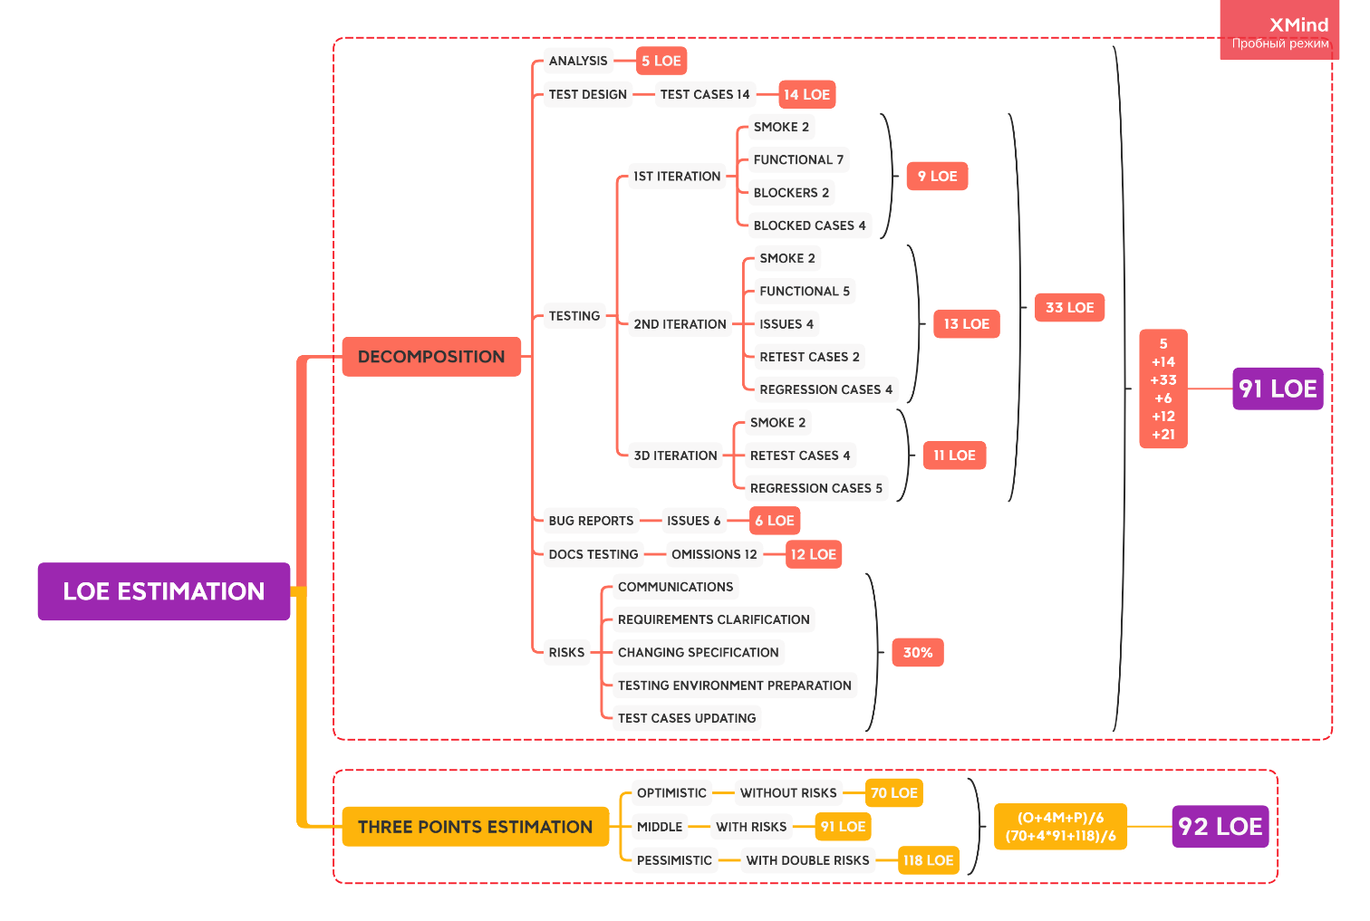
Risks |  | 30%
Communications
Testing environment preparation
Clarification of requirements
Changing specification
Updating test cases

DECOMPOSITION ESTIMATION
Analysis | 5
Test Design | 14 | optimistic
Testing | 33 | 70
Bug Reports | 6
Docs Testing | 12
Risks 30% | 21
TOTAL LOE: | 91 | middle

THREE POINTS ESTIMATION
optimistic | middle | pessimistic
70 | 91 | 118
Total LOE: |  | 92

